NEW TASK
 |  |  |  |  |  |  |  |  | Working Hours
 |  |  |  |  |  |  |  |  |  |  | Support: Available 24/6
1 |  | Register in CHATGPT, more to gernate leads |  |  |  | BravoDent |  |  | Sunday off
 |  |  |  |  |  |  |  |  | Support: Available 24/6

2 |  | ISO Certified Excellence - BravoDent Design Center |  |  |  |  |  |  |  |  |  | Loading
 |  | Quality | Confidentiality | Data Security| Client Privacy
 |  | Our ISO Certification stands as a symbol of our unwavering commitment to confidentiality, quality, and precision by adhering to globally recognized standards.
 |  | We ensure that every design and product delivered is crafted with the highest level of safety, reliability, and trust, setting a benchmark in excellence for our partners.

 |  |  |  |  |  |  |  | Products & Services
3 | Workflow Steps - BravoDent Design Center |  |  |  |  |  |  |  |  | CHART type pic or vedio

 | Step 1: Connect and Plan----- Sales/Support Team

 | Connect with us via email, WhatsApp and call to set up your account. |  |  |  |  |  |  |  |  |  |  |  | 1

 | Start with a trial by sending sample cases for testing.
 |  |  |  |  |  |  |  |  |  | 13
 | Discuss any specific needs or adjustments to ensure clarity.

 | Step 2: Scan & Upload----- Client/Operations Team

 | Scan the case (e.g., impressions) and upload the files to our portal with all necessary details.

 | Step 3: Review & Design----- Design Team

 | The design team reviews the files thoroughly and completes the design as per the provided specifications.

 | Step 4: Trial Setup & Approval ----- Client/IT Team

 | Test sample cases to finalize design preferences.

 | Confirm that designs meet your expectations before proceeding further.

 | Step 5: Dashboard Access----- Production Team

 | Log in to your portal to review and download completed designs.

 | Approve, give feedback, or request adjustments if needed. Adjustments are free within 2 hours.

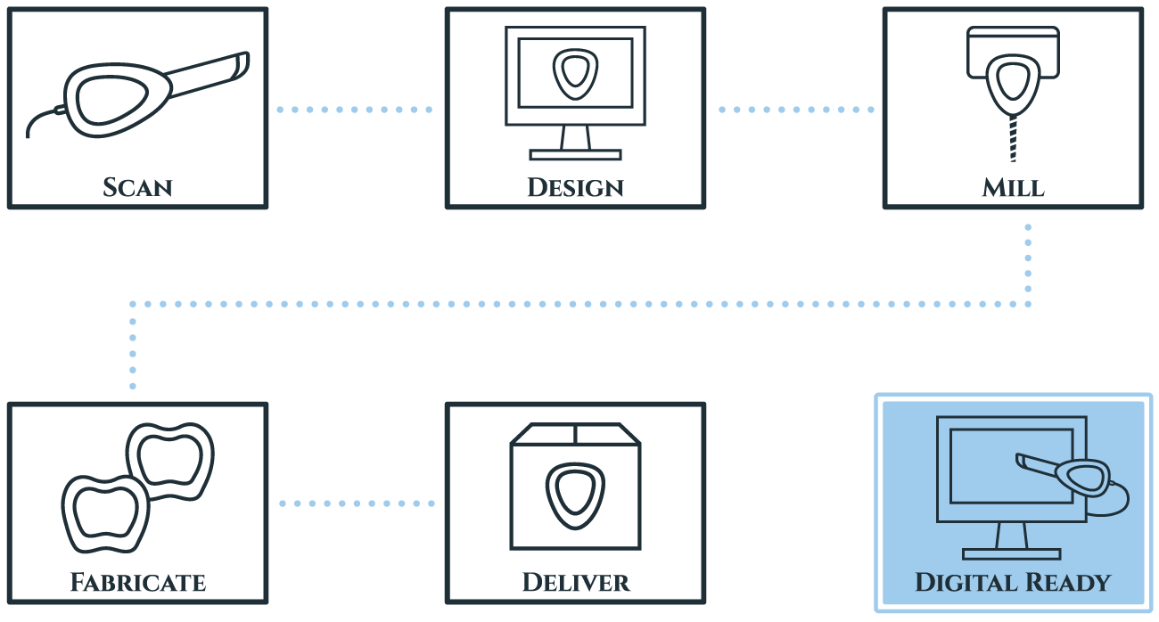
 | Our adjustment or redo rate is less than 1%, ensuring high-quality designs.

 | Step 6: Milling & Fabrication ----- Production Team

 | Use the design files for milling or fabrication in your lab.

 | Step 7: Transparent Billing----- Finance Team |  |  |  |  |  |  |  |  |  |  |  |  | Ye chart - pic ref ke liye h only

 | Get a detailed invoice for the completed services.

 | Payments should be made within the agreed timeline.

 | Step 8: Regular Workflow----- All Teams

 | After the trial, you can start sending regular orders confidently.

 | Enjoy consistent and reliable service with dedicated support.

 | We are a team of dental designers in India helping labs and dentists grow. Start with a trial to experience our quality and precision, and see how we can support your success every step of the way.

 |  |  |  |  |  | contact info popup jasia thoda karna h

 |  |  |  | Remove from home
 | 1 | What Our Clients Say Hear from businesses that have benefitted from our tailored solutions. We take pride in transforming the future of our clients with innovative and successful strategies.

 |  |  | 2 | Why Choose Us?

 |  |  |  | We are committed to providing top-quality service that ensures customer satisfaction. Our experienced team offers reliable and innovative solutions tailored to your unique needs.
 |  |  |  | Precision Designs You Can Rely On
 |  |  |  | Timely Solutions for Your Practice
 |  |  |  | Here for You, Always
 |  |  |  | Certified Excellence in Every Step
 |  |  |  | Effortless Process, Outstanding Results
 |  |  |  | Your Success, Our Commitment
 |  |  |  | Quality That Speaks for Itself
 |  |  |  | Fast Turnaround Without Compromise
 |  |  |  | Global Reach with Personalized Care
 |  |  |  | Solutions That Fit Your Needs

 |  |  | 3 | Why ISO Matters? |  |  | Instead update this order , clinet ,Projects Completed 1,000,000+ Expert Designers 50+ Satisfied Clients 200+ Countries Served 10+

 |  |  |  | - Ensures consistent quality in every design and product.
 |  |  |  | - Adherence to international standards of safety and efficiency.
 |  |  |  | - Builds trust and reliability with our global clients.

 | Quick Video on Home Page: |  |  |  | quick video or one in home , about me bhi dikha skte as big design center , prodecuts ko running m m bhi dikha skte h

 | Create a short video (15-30 seconds) to showcase our products and services.
 | Use visuals of the design center to highlight its scale and professionalism.

 | About Us Section:

 | Add a segment in the video about our company, emphasizing that we are a big design center providing precision dental designs globally.

 | Products in Action:

 | Include footage of products and services in operation, such as designing, milling, and quality checks.
 | Show the workflow to give clients a clear idea of how we handle their requirements.

 | Professional Feel:

 | Use high-quality visuals and smooth transitions to make the video look professional and engaging.

 | Highlight Expertise:

 | Showcase our expert team working on advanced technology to build credibility and trust.

